Indices

 | Iraq Stock Exchange
 | Bulletin No (37)
 | ISX Trading Indices of Wednesday 25/2/2026

 | Traded Volume and OTC |  | 1,583,611,269 |  | Traded Value and OTC |  | 727,471,670 |  | Traders | 920
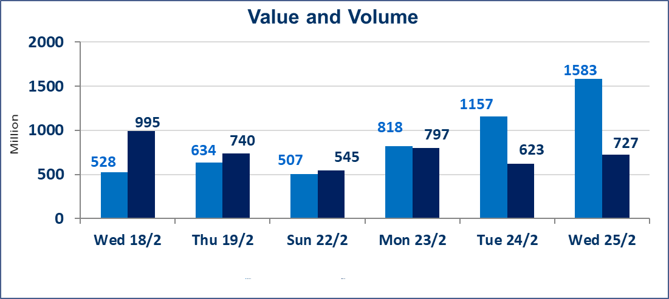
 | ISX Index 60 |  |  | 962.36 | ISX Index 15 |  |  | 1226.88
 | Previous ISX Index60 |  |  | 962.57 | Previous ISX Index15 |  |  | 1234.78
 | Change % |  |  | -0.02 | Change % |  |  | -0.64
 | Change |  |  | -0.21 | Change |  |  | -7.90

 | Listed Companies | 104 | OTC | 14 | Non Traded listed | 48 | OTC | 11
 | Traded Listed Companies | 46 | OTC | 2 | Higher Companies |  |  | 12
 | GAM Companies |  |  | 0 | Lower Companies |  |  | 14
 | Suspended Companies |  |  | 10 | GAM Companies OTC |  |  | 1
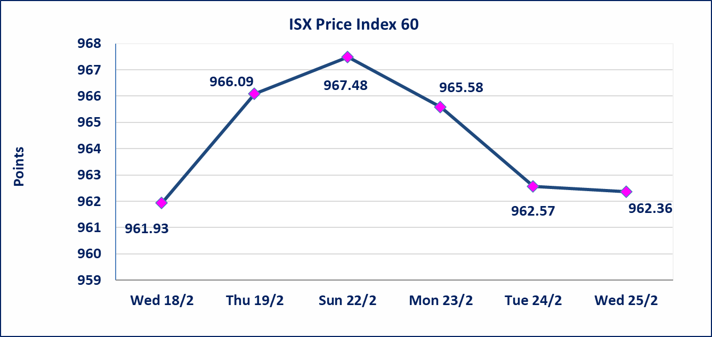
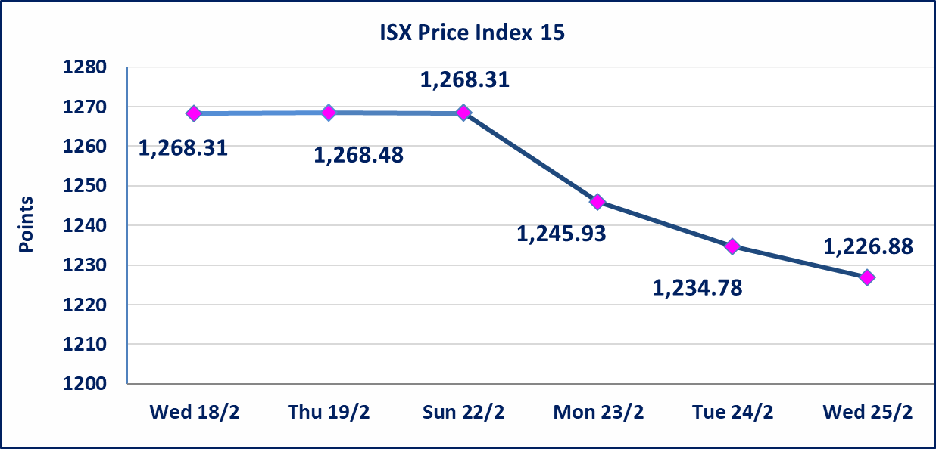

Al-Alwiya P.O . 3607 Mobile: 07711211522 - 07270094594 - 07834000034 E-mail: info-isx@isx-iq.net Web site:www.isx-iq.net

Top 5
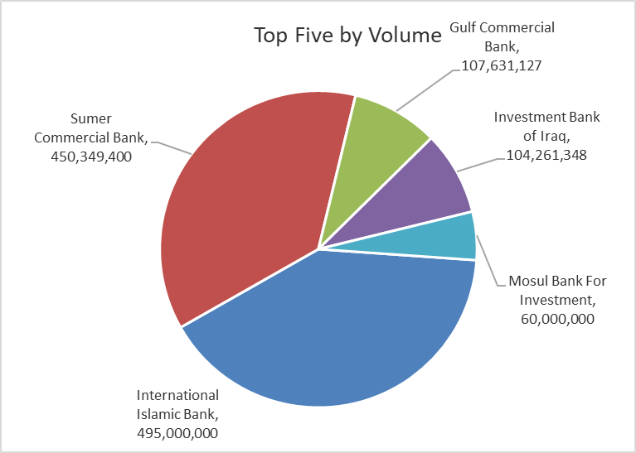
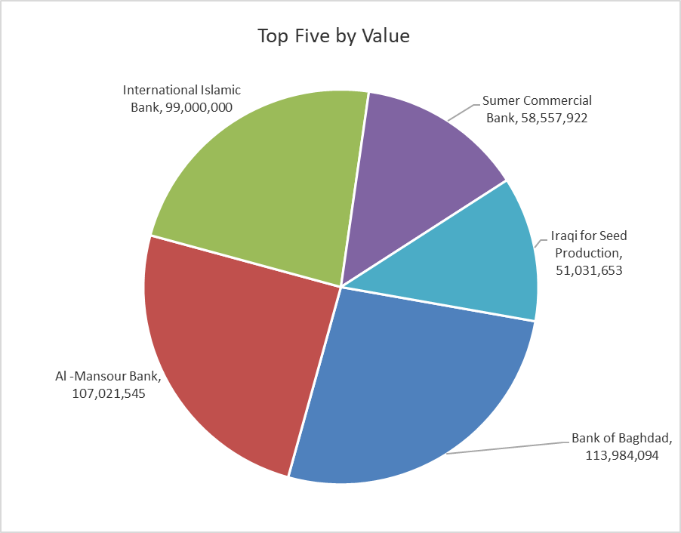

ISX top ganing and losing companies
Wednesday 25/2/2026
 | Gainers |  |  |  | Losers
 | Company Name | Closing Price | Change (%) | Traded Volume | Company Name | Closing Price | Change (%) | Traded Volume
 | Tourist Village of Mosul dam | 12.650 | 15.00 | 88,000 | Kurdistan International Bank | 1.250 | -7.41 | 7,952
 | Mosul Bank For Investment | 0.130 | 8.33 | 60,000,000 | Babil Animal & Vegetable Production | 6.500 | -7.14 | 57,810
 | Iraqi Carton Manufactories | 2.060 | 4.57 | 893,390 | Modern Construction Materials | 1.310 | -4.38 | 31,418
 | Gulf Commercial Bank | 0.330 | 3.13 | 107,631,127 | AL-Badia for General Trans | 0.880 | -4.35 | 2,259
 | Commercial Islamic Bank of Iraq | 0.680 | 3.03 | 13,531,719 | Babylon Hotel | 101.000 | -3.81 | 5,100
 | The most active companies in term of traded volume and value

 | Traded Volume |  |  |  | Traded Value
 | Company Name | Closing Price | Change (%) | Traded Volume | Company Name | Closing Price | Change (%) | Traded Value
 | International Islamic Bank | 0.200 | 0.00 | 495,000,000 | Bank of Baghdad | 3.140 | -0.32 | 113,984,094
 | Sumer Commercial Bank | 0.140 | 0.00 | 450,349,400 | Al -Mansour Bank | 2.060 | 0.00 | 107,021,545
 | Gulf Commercial Bank | 0.330 | 3.13 | 107,631,127 | International Islamic Bank | 0.200 | 0.00 | 99,000,000
 | Investment Bank of Iraq | 0.210 | 0.00 | 104,261,348 | Sumer Commercial Bank | 0.140 | 0.00 | 58,557,922
 | Mosul Bank For Investment | 0.130 | 8.33 | 60,000,000 | Iraqi for Seed Production | 4.960 | 1.64 | 51,031,653

Non Iraqi

Iraq Stock Exchange
Non Iraqis' Bulletin Wednesday Feb 25 2026
Regular Market

Non Iraqi Trading of Regular Market (Buy)
Company Names | Code | No.of trades | Traded Shares | Trading Volume
Banks Sector
Gulf Commercial Bank | BGUC | 5 | 20,630,127 | 6,601,641
Total Bank sector |  | 5 | 20,630,127 | 6,601,641
Services Sector
AL-Nukhba for Construction | SNUC | 1 | 15,000 | 10,350
Total Services sector |  | 1 | 15,000 | 10,350
Industry Sector
Modern Sewing | IMOS | 3 | 100,000 | 535,000
Total Industry sector |  | 3 | 100,000 | 535,000
Grand Total |  | 9 | 20,745,127 | 7,146,991

Non Iraqi Trading of Regular Market (Sell)
Company Names | Code | No.of trades | Traded Shares | Trading Volume
Agricultural Sector
Iraqi for Seed Production | AISP | 1 | 350,000 | 1,732,500
Total Agricultural Sector |  | 1 | 350,000 | 1,732,500
Telecommunication Sector
Asia cell | TASC | 5 | 1,294,777 | 19,227,438
Total Telecommunication sector |  | 5 | 1,294,777 | 19,227,438
Grand Total |  | 6 | 1,644,777 | 20,959,938

Not Trading Bonds

Iraq Stock Exchange
Wednesday 25/2/2026
Not Trading Bonds Bulletin
Bond type | Publish type | Code | last trading price | immortilize date
Banaa Bonds /Million ID | Second | CB20 | 964,981 | 19/12/2025
Eamar Bonds /Million ID | First | CB30 | 1,001,095 | ــــــــــــــــ
Eamar Bonds /Million ID | Second | CB40 | ــــــــــــــــ | ــــــــــــــــ
Eamar Bonds /500 Thousand ID | Third | CB45 | ــــــــــــــــ | ــــــــــــــــ
Eamar Bonds /Million ID | Third | CB50 | ــــــــــــــــ | ــــــــــــــــ
Injaz Bonds /500 Thousand ID | First | CB55 | ــــــــــــــــ | ــــــــــــــــ
Injaz Bonds /Million ID | First | CB60 | ــــــــــــــــ | ــــــــــــــــ
Injaz Bonds /500 Thousand ID | Second | CB65 | 502,671 | ــــــــــــــــ
Injaz Bonds /Million ID | Second | CB70 | 1,026,082 | ــــــــــــــــ
Injaz Bonds /500 Thousand ID | Third | CB75 | ــــــــــــــــ | ــــــــــــــــ
Injaz Bonds /Million ID | Third | CB80 | 978,182 | ــــــــــــــــ
National Bonds/Million ID | First | CB90 | ــــــــــــــــ | ــــــــــــــــ
National Bonds/500 Thousand ID | Second | CB95 | ــــــــــــــــ | ــــــــــــــــ
National Bonds/Million ID | Second | CB100 | ــــــــــــــــ | ــــــــــــــــ

